Sheet1
Total Restaurants |  | Count of Cost for two | Total Countries | Total Cuisins | Total cities | Average Rating
9517 |  | 9517.0 | 15 | 1821 | 141 | 2.9
Country Wise Rating(Top5)

Country | Average of Rating
Phillipines | 4.5
Turkey | 4.3
Indonasia | 4.3
New Zealand | 4.3
United Arab Emirates | 4.2
Grand Total | 4.3

Restaurants Having Table Booking
Has Table Booking | Total Restaurants
No | 8360
Yes | 1157
Grand Total | 9517.0

Restaurants Having Online Delivery

Has online delivery | Total Restaurants
No | 7100
Yes | 2417
Grand Total | 9517.0

City Wise Total Restaurants

city | Total Restaurants
New Delhi | 5457
Gurgaon | 1106
Noida | 1075
Faridabad | 251
Ghaziabad | 25
Grand Total | 7914.0

Restaurants Using Currency
Currency | Total Restaurants
Indian Rupees(Rs.) | 8618
Dollar($) | 482
Pounds(Œ£) | 80
Rand(R) | 60
Brazilian Real(R$) | 60
Emirati Diram(AED) | 60
Grand Total | 9360.0

Currency | Total Restaurants
2010 | 5
2011 | 12
2012 | 2
2013 | 8
2014 | 11
2015 | 9
2016 | 5
2017 | 4
2018 | 4
Grand Total | 60.0

Dashboard
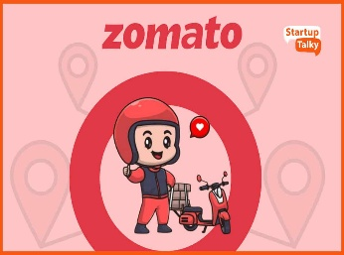
Dashboard
zomato
We Deliver Tasty Food
Total Restaurant
9517
Total Countries
15
Total Cuisins
1821
Total Cities
141
Average Rating
2.9

Restaurants Having Online Delivery
 | Total
No | 7100
Yes | 2417
Restaurants Having Table Booking
 | Total
No | 8360
Yes | 1157
Restaurants Using Currency
 | Total
Indian Rupees(Rs.) | 8618
Dollar($) | 482
Pounds(Œ£) | 80
Rand(R) | 60
Brazilian Real(R$) | 60
Emirati Diram(AED) | 60

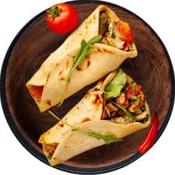

Country Wise Avg Rating(Top5)
 | Total
Phillipines | 4.5
Turkey | 4.3
Indonasia | 4.3
New Zealand | 4.3
United Arab Emirates | 4.2
Restaurants Open Every Year
 | Total
2010 | 5
2011 | 12
2012 | 2
2013 | 8
2014 | 11
2015 | 9
2016 | 5
2017 | 4
2018 | 4
City Wise Total Restaurants
 | Total
New Delhi | 5457
Gurgaon | 1106
Noida | 1075
Faridabad | 251
Ghaziabad | 25

